Hoja1
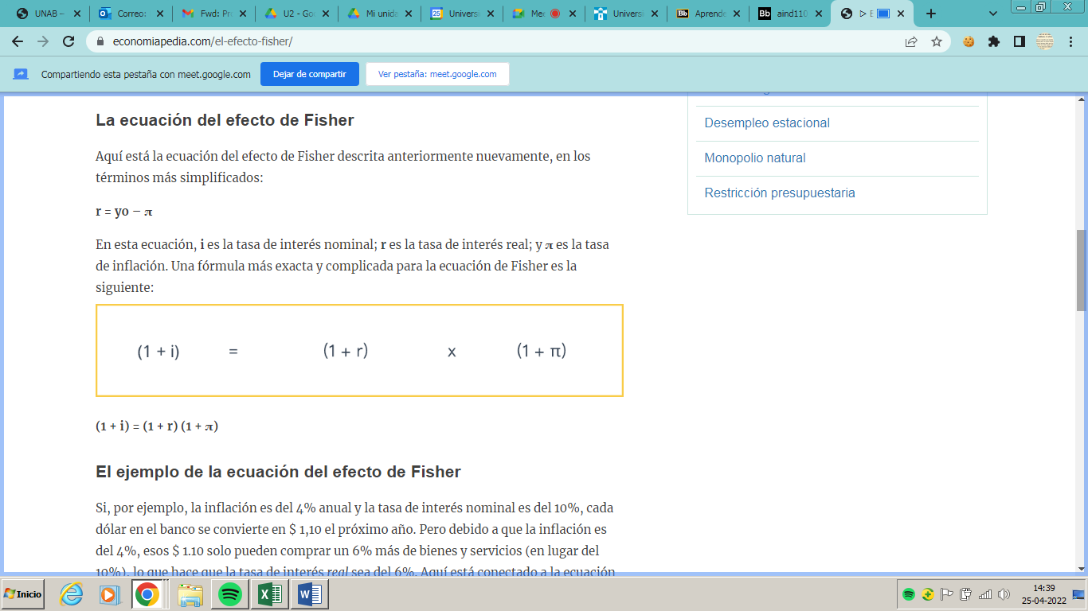
FISHER

(1 + iN) = | (1+ iR ) * (1+If) |  | tasa Nominal

(1+ iR) = | (1+ iN) | Tasa real
 | (1 + if)

 | TASA NOMINAL | PESOS CHILENOS

 | TASA REAL | DÓLAR | US$ +2%
 |  | EURO
 |  | UF | UF +5%

